DFMEA Template
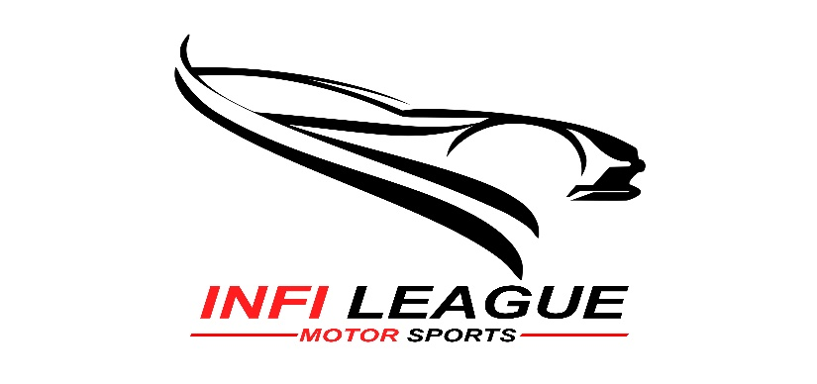 |  |  |  |  |  |  |  |  |  | 
ATVC 2020 DFMEA Template |  |  |  |  |  |  | Date:07/02/2020
mATV/eATV:mATV |  | Team ID:ATV93 | CAR NO.:93 |  |  |  | Team Name: CIET ENDEAVORS
Old/New Team:Old Team |  |  | Name of the College:Coimbatore Institute of Engineering Technology |  |  |  | Faculty Advisor: Seenivasan D
Team Member(s) Responsible: Siva hari T , Gobinath M , P.Mahesh ,
MODEL YEAR(s) / VEHICLE(s) : |  |  |  |  |  |  |  |  |  | DFMEA date ( Orig. ) _( Rev.) _________
ITEM | Potential Failure Mode | Potential Effect(s) of Failures | sev | cla | Potential Cause(s)/Mechanism(s) of Failures | Occu | Current Design Control | Det | RPN | Recommended Action(s) | Responsibility & Target Completion Date | Action Results
Function |  |  |  | ss |  | re |  | ec |  |  |  | Action Taken | Sev | Occ | Det | RPN
Rollcage-Provides support and withstand the all forces caused due to sudden obstacles, braking or acceleration | Inappropriate welding as well as when the material is not chosen properly and design of the rollcage is not done properly | May lead to total collapse and severe damage to the vehicle | 8 |  | Improper design,material selection and design analysis | 9 | Accurate load calculation,proper research on available materials | 3 | 216 | SOLIDWORKS, ANSYS as per our requirments | Gobinath M (15-07-2019) | proper analysis and design implementation using softwares | 5 | 7 | 2 | 70
Steering System - It transmits steering effort to the wheel | Tie rod alignment and steering geometry | Chances of the accident is more due to unstablity of the vechile, failure of tyres contact with road | 7 |  | Improper ackerman geometry,steering effort design and mounting | 6 | calculations considering required steering geometry, | 4 | 168 | Proper allingments with accurate calculations | Narasingh kumar L (05-11-2019) | Ensure proper tie rod alignment and steering geometry along with acccurate calculations | 4 | 5 | 2 | 40
Drive Shaft - Power transmission from gearbox output shaft to rear wheels | failureof bearing and sleeve weld | Powertrain failure and arrest the vehicle drive | 9 |  | axis misalignment , wear and tear of bearing due to inadequate lubrication and improper clearance between rollcage and shaft | 5 | adequate lubrication,and mataining proper clearance | 7 | 315 | Changing the position of the respective member | Natrayasamy D (14-11-2019) | Making the necessary changes in the position of the shaft and align using V-block, bearings lubrication | 6 | 3 | 5 | 90
Brakes-Decelerate or decrease the speed of the vechile | Improper design of caliper mounting, incomplete bleeding | Low braking forces may lead to panic situation and also causes accidents | 8 |  | complex brake circuits, incomplete bleeding, and caliper mounting. | 7 | proper bleeding, selecting suitable brake caliper | 6 | 336 | Taking proper measures for bleeding and selecting caliper as per our requirements | Narasingh kumar L (20-11-2019) | Accurate design and braking calculations,taking proper measuers for brake bleeding | 5 | 4 | 6 | 120
Master Cylinder-Hydraulic actuator for braking | push rod failure, brake oil leakage | Insufficient fluid power transmission for braking | 6 |  | Improper selection of brake oil grade ,cylinder, restriction to the push rod movement | 6 | selecting proper brake oil with respect to cylider specification | 9 | 324 | push rod should have adequateD.O.F, removing dirt particles in it, | Deva Arul J (25-11-2019) | proper sealing of cylinder, using appropriate brake oil, proper maintanance of cylinder | 4 | 5 | 7 | 140

SOD Rating Guide (Ref.)
